Q1
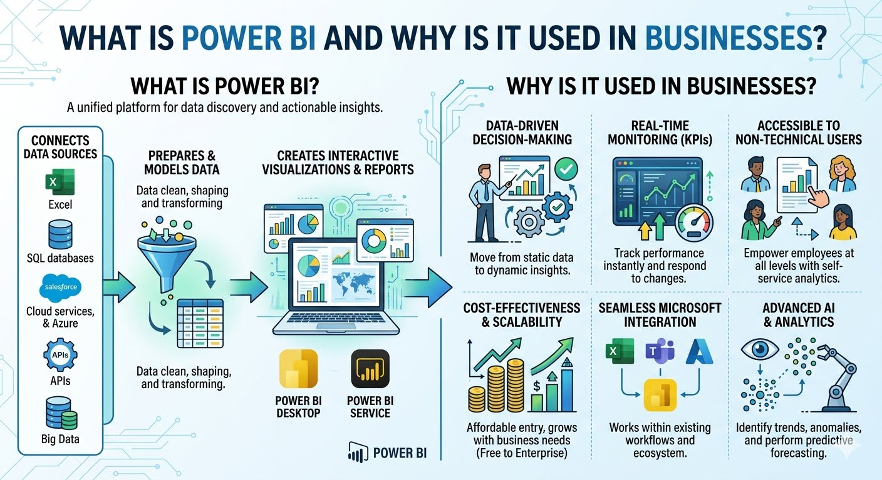
Question 1 : What is Power BI and why is it used in businesses?

What is Power BI

Power BI is a business intelligence tool by Microsoft.

Helps visualize data and create interactive reports.

Supports multiple data sources and real-time analytics.

Used by analysts, managers, and decision-makers.

Enables faster insights compared to static Excel reports.

Why Businesses Use Power BI

Businesses implement Power BI to move away from static spreadsheets toward dynamic, data-driven decision-making. Key reasons include

Unified Data View:
It consolidates data from over 500 sources—including Excel, SQL databases, and cloud services like Salesforce—into a single "source of truth".

Real-Time Monitoring
Interactive dashboards provide up-to-the-minute updates, allowing teams to track Key Performance Indicators (KPIs) and respond instantly to market changes.

Accessibility for Non-Technical Users:
Its drag-and-drop interface and Natural Language Q&A feature allow employees without data science backgrounds to generate their own reports.

Cost-Effectiveness
It offers a scalable pricing model, starting with a free desktop version, making high-level analytics affordable for small to large enterprises.

Q3
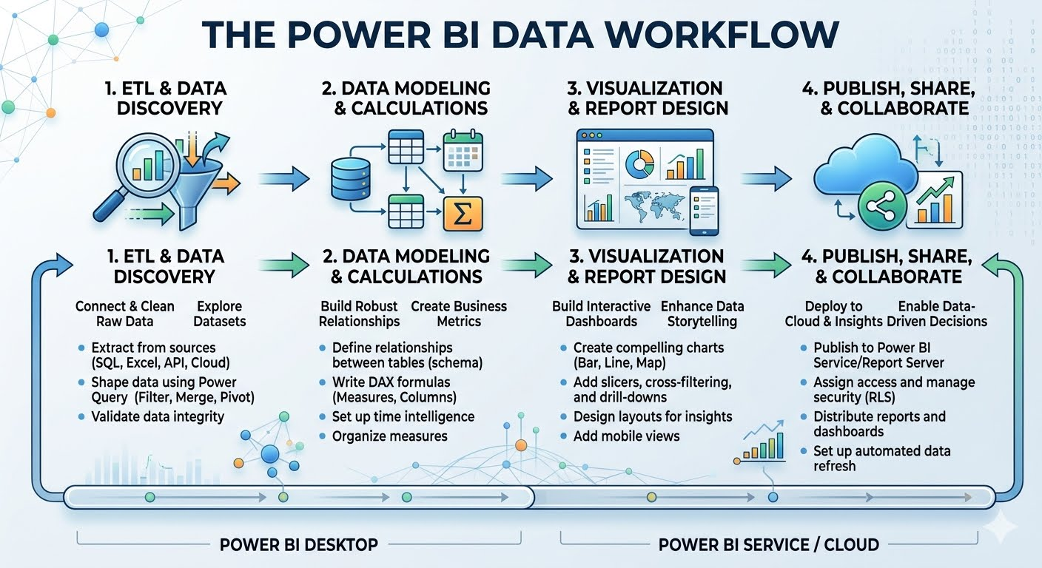
Question 3 : Explain the Power BI workflow.

Connect Data
Power BI connects to different data sources to bring raw data into the system.

Common data sources:

Excel files

CSV / Text files

Databases (SQL Server, MySQL)

Online sources

2. Transform Data

Data is cleaned, structured, and prepared for analysis using Power Query Editor.

Common transformations:

Remove duplicates

Handle missing values

Change data types

Rename columns

Filter unnecessary rows

3. Visualize (Report Building)

Cleaned data is converted into visual reports to identify trends and patterns.

Common visuals:

Tables

Bar / Column charts

Cards (KPIs)

Pie charts

4. Share (Insights & Collaboration)

Reports are published and shared with others using Power BI Service.

Sharing options:

Publish to Power BI Service

Share dashboards with team

Set refresh schedules

Q4
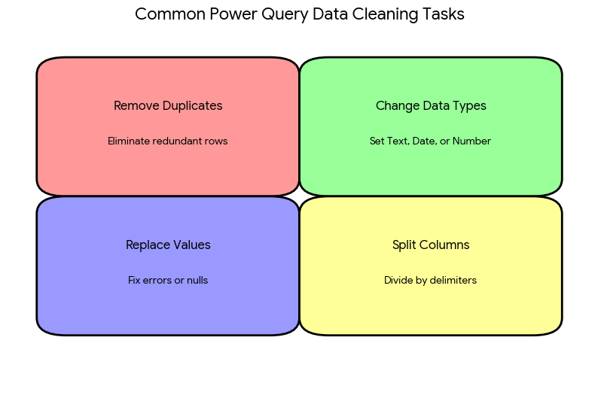
Question 4 : List any four data cleaning tasks that can be performed in Power Query.

Data Cleaning in Power BI

Data Cleaning in Power BI is the process of preparing raw data into an accurate, consistent, and analysis-ready format using the Power Query Editor before creating reports and dashboards.

It ensures that visuals and insights in Power BI are reliable, meaningful, and decision-ready.

Main Parts of Data Cleaning in Power BI

Removing errors and irrelevant data to prevent calculation failures and incorrect totals.

Handling Missing (Null) Values as missing values distort aggregations and visuals.

Removing Duplicates because duplicates inflate totals and misrepresent metrics.

Standardizing Data formats to ensure accurate calculations and sorting.

Q5
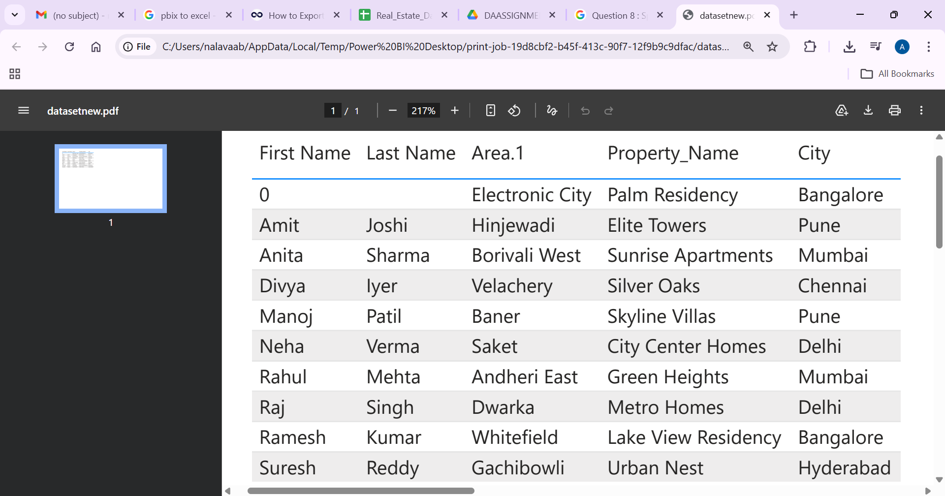
Question 5 : Write step by step instructions to load the above dataset.

To load and clean your property dataset into Power BI or Excel using Power Query, follow these steps:

1. Import the Data

Copy the Data: Since your data is currently in a text/table format, copy it from your source.

Go to the Home tab > Get Data > Blank Query.

2. Standardize Column Headers

If your first row isn't automatically recognized as titles, go to the Home tab and click Use First Row as Headers

3. Clean the Data (The 4 Tasks)

Right-click the Price column
Select Replace Values....
Leave "Value to Find" blank and type 0 in "Replace With" (or "Contact Owner" for the Contact column).

Task 4: Fix Data Types

Click the ABC/123 icon on the left side of each column header.

Set Price and Area_sqft to Whole Number.

Set Property_Name and City to Text.

4. Load the Data

Once the data looks clean in the preview, go to the Home tab.

Click Close & Apply (Power BI) or Close & Load (Excel).

Q8
Question 8 : Split Owner Name to create two new columns as First Name and Last Name

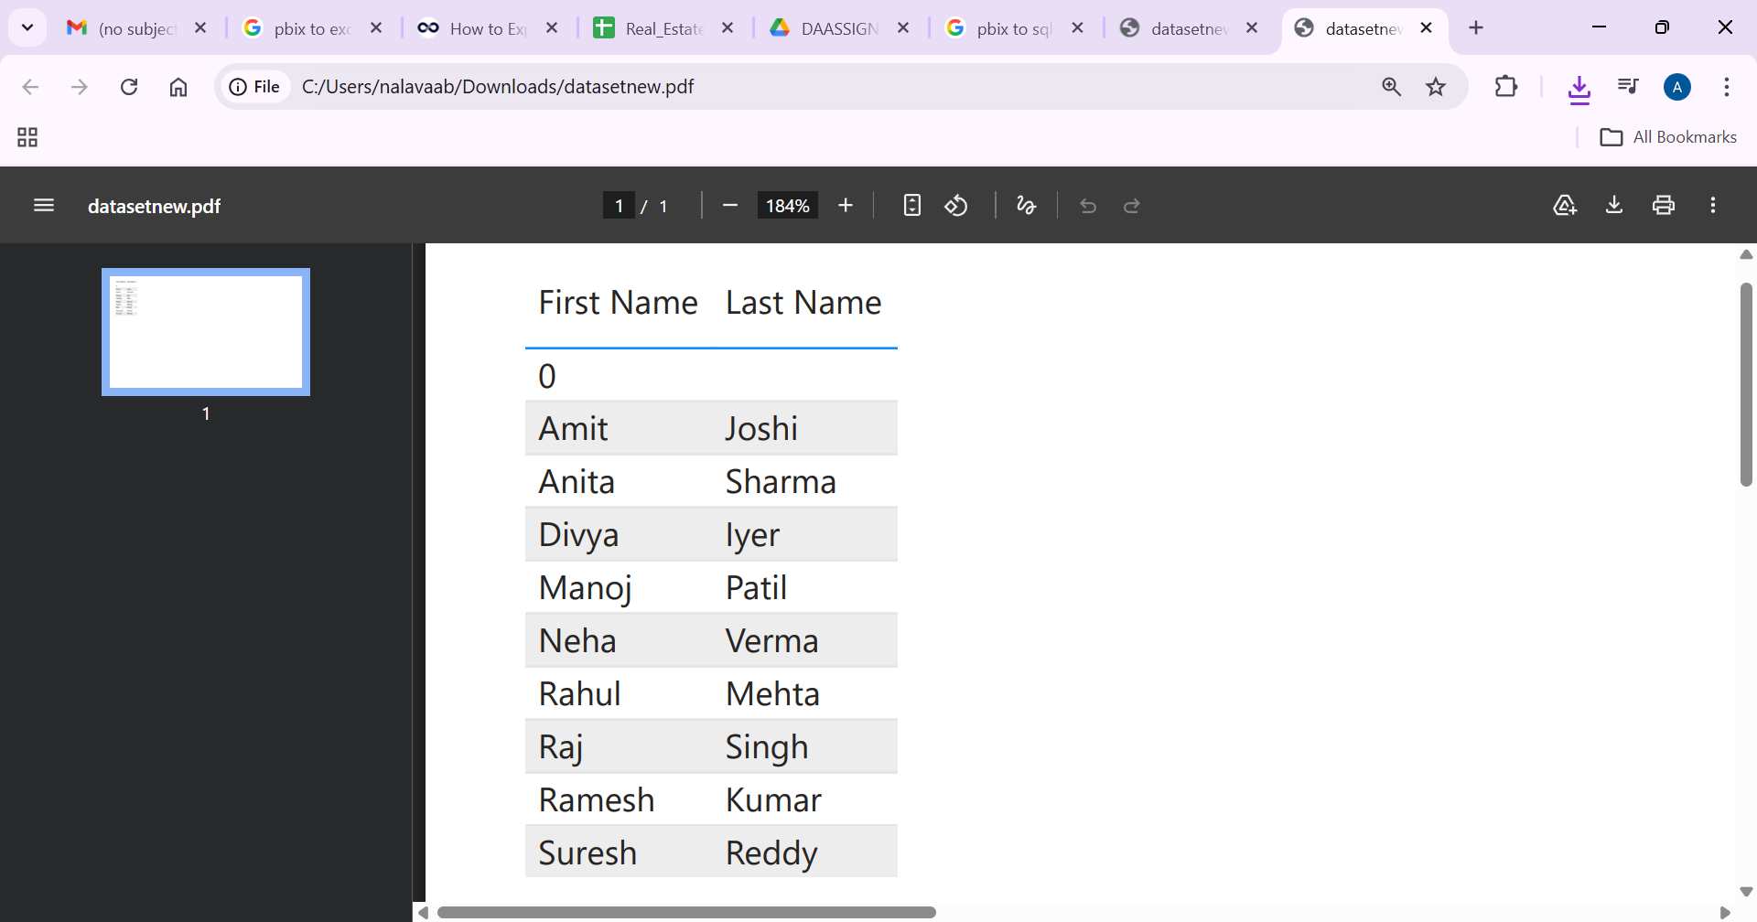

Step 1 :
Text to Columns:
Highlight the column containing the full names.
Go to the Data tab and select Text to Columns.
Choose Delimited and click Next.
Select Space as the delimiter.
Click Finish to split the names into two adjacent columns.

